Sheet1
 | Test Cases
Assumptions
 | Test Cases ID | Precondition | Test Scenerio/Test Condition | Test Case/Test Step | Test Data | Expected Result | Remarks | ScrrenShot

 | Td_01 | The program should be deployed on the web server | Test if the Username is not given but password abd confirtm password are given then the required validation message should get displayed | 1.enter the username 2.enter the passoword 3.enter the confirm password | abd | message -showing *mandatory | pass | 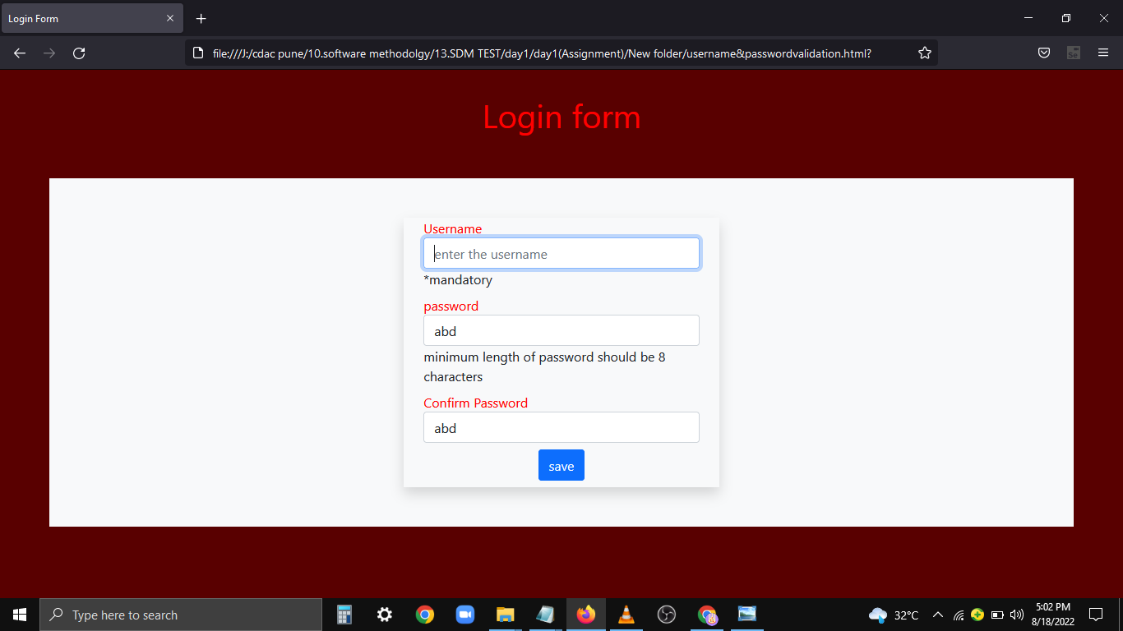

 |  |  | Test if the password input is given and if the required message for input being mandatory is shown | Submit the from as if it is without filling any details in password input area | Blank in password | Message-showing *mandatory | Pass | 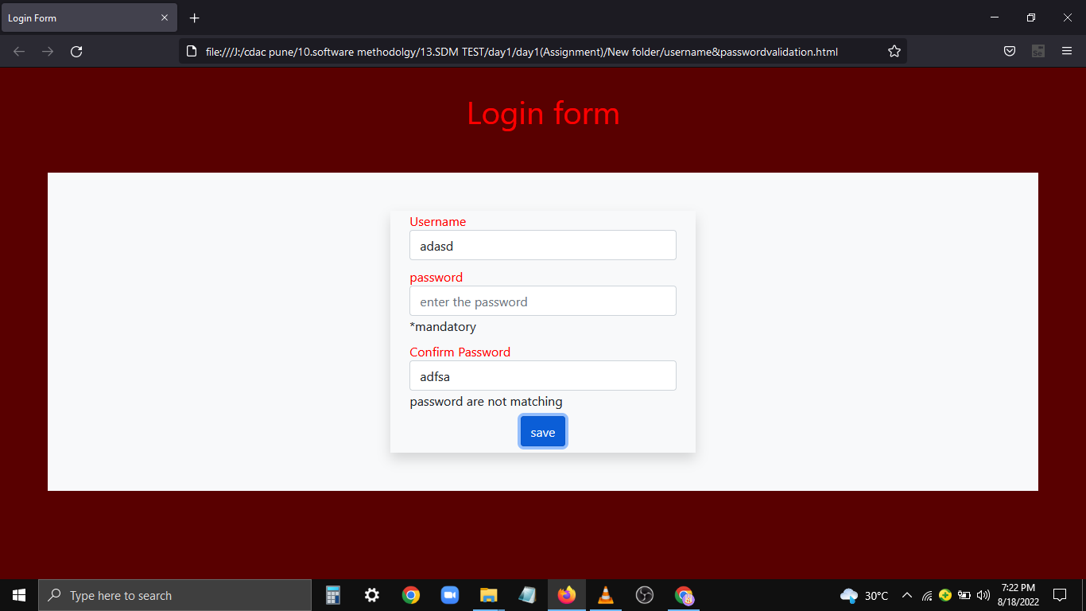

 |  |  | Test if the confirm password input is given and if the required message for input being mandatory is shown | Submit the from as it is without filling any details in confirm password input area | Blank in Confirm password | message -showing *mandatory | 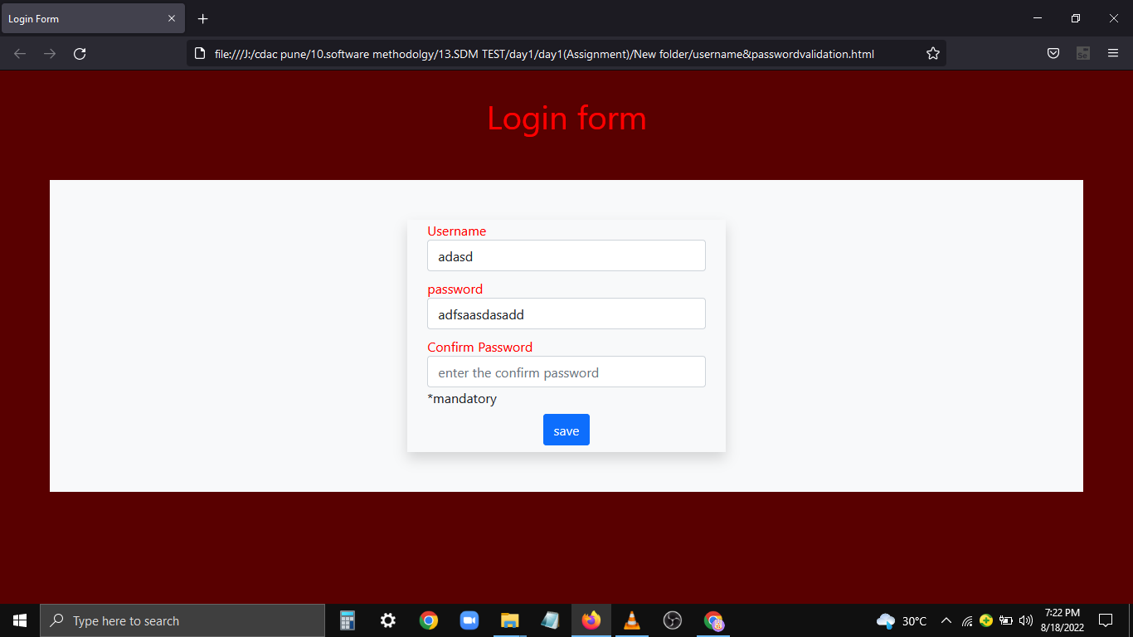 Pass

